Coaches

 |  |  |  | CKFOA
 |  |  |  | Officials Supervisor, Keith Morgan
 |  |  | Please share your entire game or selected plays on HUDL. Our officiating "team" is called Central Kentucky Football Officials Association.

Home Team |  | Bourbon County - Coach John Hodge
Visiting Team |  | Grant County - Coach Jacob Morris
Date |  | Saturday, 8/25/2018

Referee |  | Joseph Ammerman
Umpire |  | Brandon Shields
Line Judge | 1st Half | Jeremy Enlow
Field Judge | 1st Half | Jimmy Powell
Head Linesman | 2nd Half | Aaron Haney
Side Judge | 2nd Half | Andy Cecil
Back Judge |  | Tyler Pruden

 |  |  |  | CKFOA
 |  |  |  | Officials Supervisor, Keith Morgan
 |  |  | Please share your entire game or selected plays on HUDL. Our officiating "team" is called Central Kentucky Football Officials Association.
 |  |  |  |  | `

Home Team |  | Bourbon County - Coach John Hodge
Visiting Team |  | Grant County - Coach Jacob Morris
Date |  | Saturday, 8/25/2018

Referee |  | Joseph Ammerman
Umpire |  | Brandon Shields
Head Linesman | 1st Half | Aaron Haney
Side Judge | 1st Half | Andy Cecil
Line Judge | 2nd Half | Jeremy Enlow
Field Judge | 2nd Half | Jimmy Powell
Back Judge |  | Tyler Pruden

PA
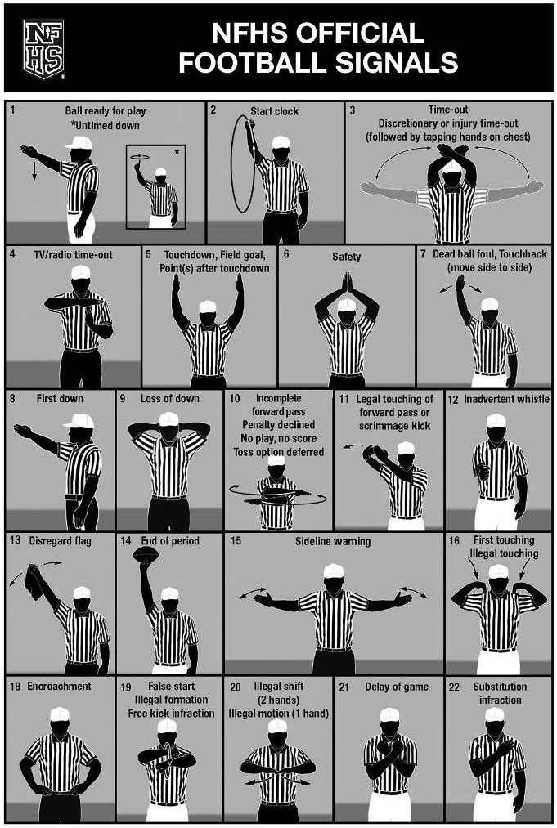
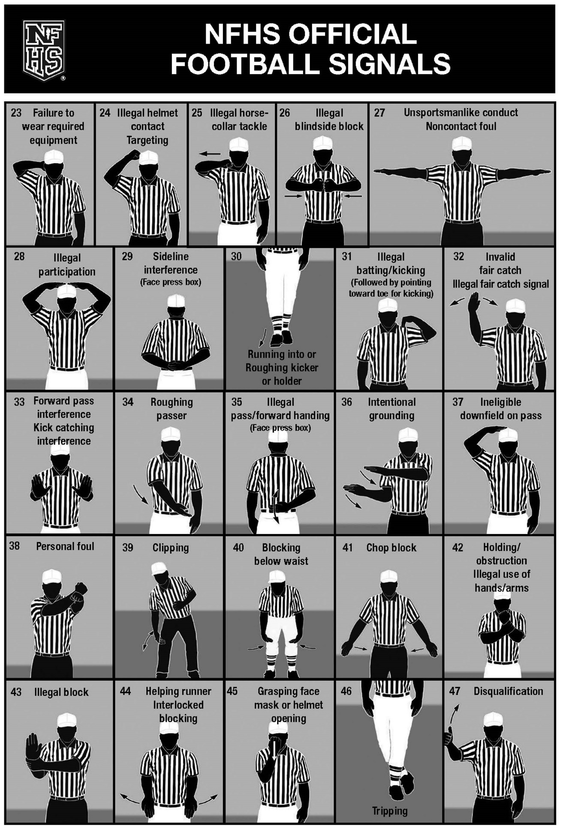

CKFOA Football Officiating Crew
Grant County Braves at Bourbon County Colonels


Saturday, 8/25/2018 Bourbon County
 | Referee | Joseph Ammerman
 | Umpire | Brandon Shields
 | Head Linesman | Aaron Haney
 | Line Judge | Jeremy Enlow
 | Side Judge | Andy Cecil
 | Field Judge | Jimmy Powell
 | Back Judge | Tyler Pruden

