Coach
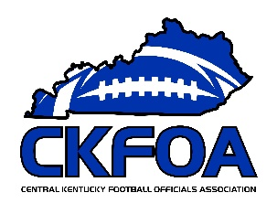
 |  |  |  | CKFOA
 |  |  |  | Officials Supervisor, Keith Morgan
 |  |  | Please share your entire game or selected plays on HUDL. Our officiating "team" is called Central Kentucky Football Officials Association.

Home Team |  | Anderson County - Coach Mark Peach
Visiting Team |  | Meade County - Coach Larry Mofield
Date and Time |  | Friday, 8/24/2018

Referee |  | Joseph Ammerman
Umpire |  | Brandon Shields
Head Linesman | 1st Half | Jeremy Enlow
 | 2nd Half | Mark Harvey
Line Judge | 1st Half | Mark Harvey
 | 2nd Half | Jeremy Enlow
Back Judge |  | Eddie Miller

 |  |  |  | CKFOA
 |  |  |  | Officials Supervisor, Keith Morgan
 |  |  | Please share your entire game or selected plays on HUDL. Our officiating "team" is called Central Kentucky Football Officials Association.

Home Team |  | Anderson County - Coach Mark Peach
Visiting Team |  | Meade County - Coach Larry Mofield
Date and Time |  | Friday, 8/24/2018

Referee |  | Joseph Ammerman
Umpire |  | Brandon Shields
Head Linesman | 1st Half | Jeremy Enlow
 | 2nd Half | Mark Harvey
Line Judge | 1st Half | Mark Harvey
 | 2nd Half | Jeremy Enlow
Back Judge |  | Eddie Miller

PA
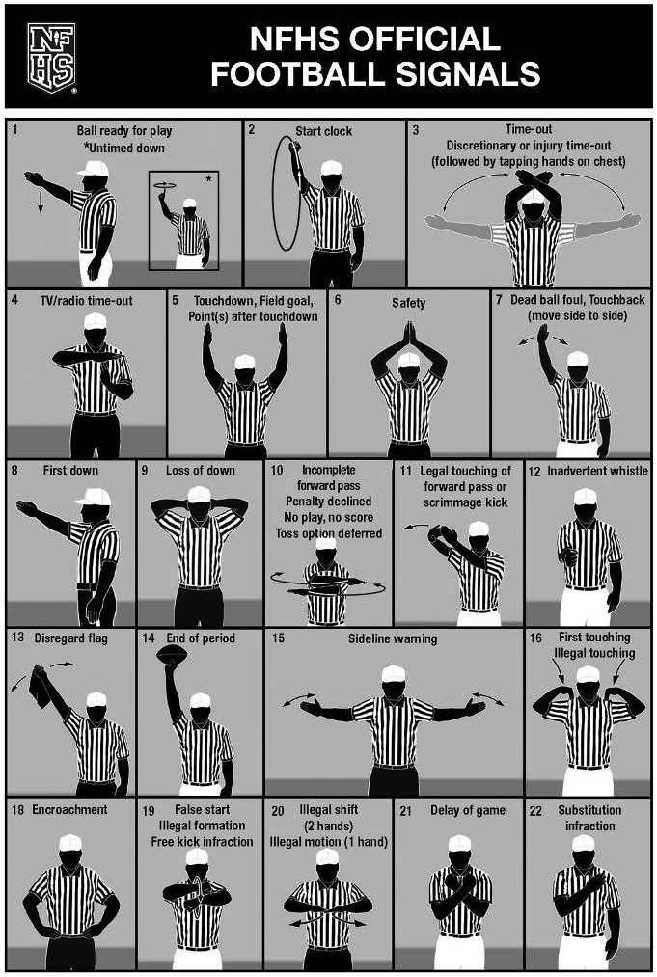
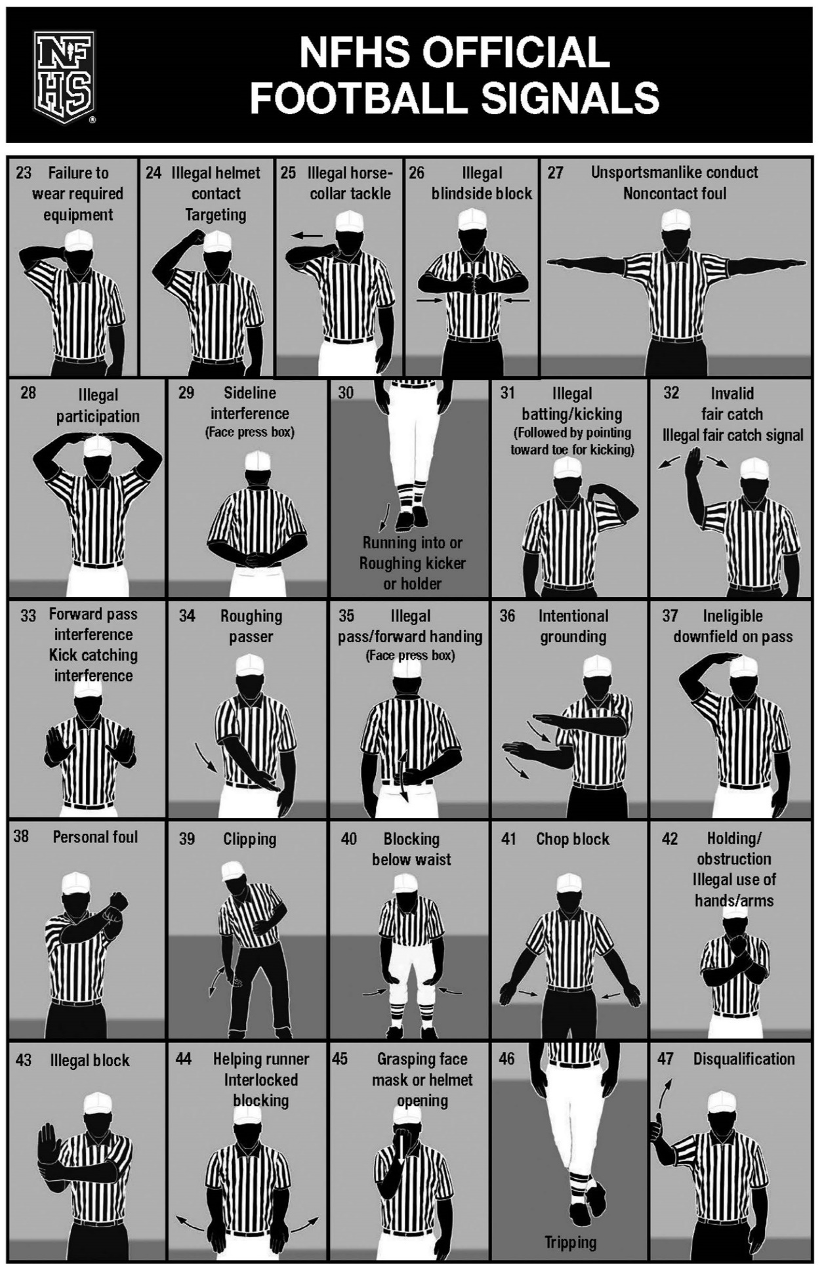

CKFOA Football Officiating Crew
Meade County Green Waves at Anderson County Bearcats

Friday, 8/24/2018 Anderson County


 | Referee | Joseph Ammerman
 | Umpire | Brandon Shields
 | Head Linesman | Mark Harvey
 | Line Judge | Jeremy Enlow
 | Back Judge | Eddie Miller

