Coaches

 |  |  |  | CKFOA
 |  |  |  | Officials Supervisor, Keith Morgan
 |  |  | Please share your entire game or selected plays on HUDL. Our officiating "team" is called Central Kentucky Football Officials Association.

Home Team |  | Henry Clay - Coach D Gay
Visiting Team |  | Johnson Central - Coach J Matney
Date |  | Friday, 08/20/2021

Referee |  | Eddie Dean
Umpire |  | Jordan Blair
Line Judge | 1st Half | Josh Ford
Field Judge | 1st Half | Danny Brown
Head Linesman | 2nd Half | Ken Adkins
Side Judge | 2nd Half | Norman Smiley
Back Judge |  | Shane Norris

 |  |  |  | CKFOA
 |  |  |  | Officials Supervisor, Keith Morgan
 |  |  | Please share your entire game or selected plays on HUDL. Our officiating "team" is called Central Kentucky Football Officials Association.
 |  |  |  |  | `

Home Team |  | Henry Clay - Coach D Gay
Visiting Team |  | Johnson Central - Coach J Matney
Date |  | Friday, 08/20/2021

Referee |  | Eddie Dean
Umpire |  | Jordan Blair
Head Linesman | 1st Half | Ken Adkins
Side Judge | 1st Half | Norman Smiley
Line Judge | 2nd Half | Josh Ford
Field Judge | 2nd Half | Danny Brown
Back Judge |  | Shane Norris

PA
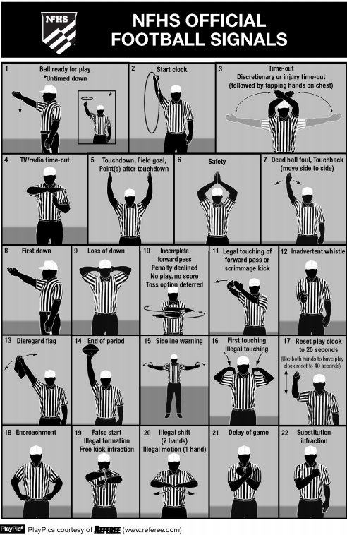
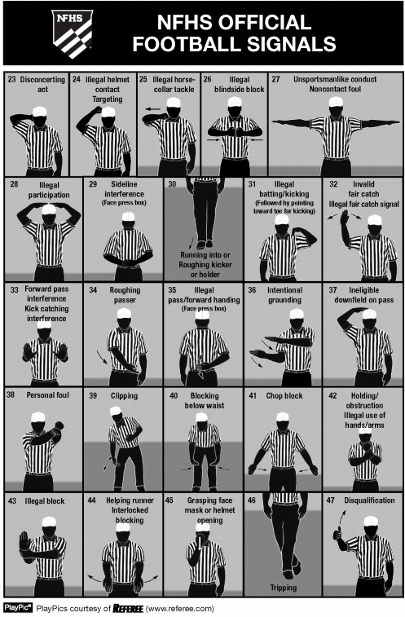

CKFOA Football Officiating Crew
Johnson Central Golden Eagles at Henry Clay Blue Devils

Friday, 08/20/2021 Henry Clay Henry Clay
 | Referee | Eddie Dean
 | Umpire | Jordan Blair
 | Head Linesman | Ken Adkins
 | Line Judge | Josh Ford
 | Side Judge | Norman Smiley
 | Field Judge | Danny Brown
 | Back Judge | Shane Norris

