Coach

 |  |  |  | CKFOA
 |  |  |  | Officials Supervisor, Keith Morgan
 |  |  | Please share your entire game or selected plays on HUDL. Our officiating "team" is called Central Kentucky Football Officials Association.

Home Team |  | Berea Community HS - Coach
Visiting Team |  | Sayre High School - Coach
Date and Time |  | Friday, 9/27/2019

Referee |  | Haywood Ferguson
Umpire |  | Scot Allison
Head Linesman | 1st Half | Edward Ross
 | 2nd Half | Robert Dickinson
Line Judge | 1st Half | Robert Dickinson
 | 2nd Half | Edward Ross
Back Judge |  | Marquell Cooper

 |  |  |  | CKFOA
 |  |  |  | Officials Supervisor, Keith Morgan
 |  |  | Please share your entire game or selected plays on HUDL. Our officiating "team" is called Central Kentucky Football Officials Association.

Home Team |  | Berea Community HS - Coach
Visiting Team |  | Sayre High School - Coach
Date and Time |  | Friday, 9/27/2019

Referee |  | Haywood Ferguson
Umpire |  | Scot Allison
Head Linesman | 1st Half | Edward Ross
 | 2nd Half | Robert Dickinson
Line Judge | 1st Half | Robert Dickinson
 | 2nd Half | Edward Ross
Back Judge |  | Marquell Cooper

PA
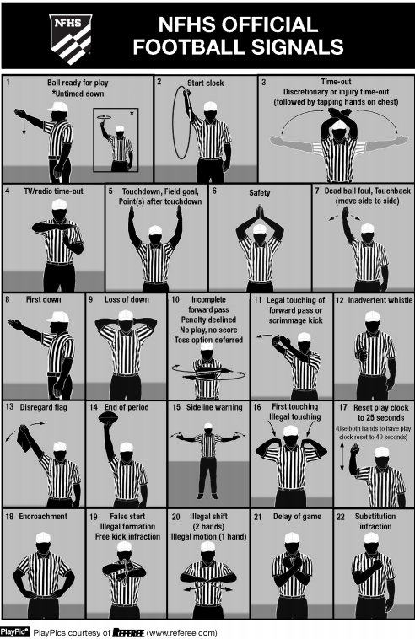
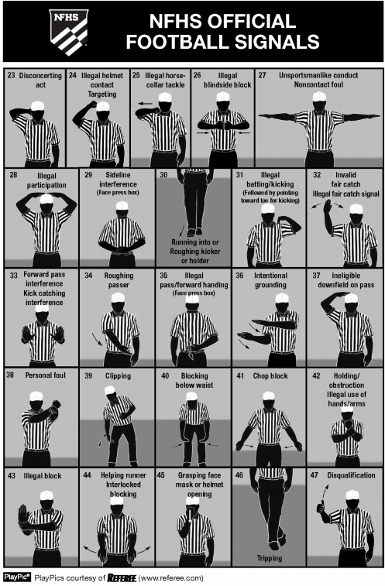

CKFOA Football Officiating Crew
Sayre High School Spartans at Berea Community HS Pirates

Friday, 9/27/2019 Berea Community HS

 | Referee | Haywood Ferguson
 | Umpire | Scot Allison
 | Head Linesman | Robert Dickinson
 | Line Judge | Edward Ross
 | Back Judge | Marquell Cooper

