Coaches
 |  |  |  | KHSAA
 |  |  |  | Officials Supervisor, Keith Morgan
 |  |  | Please share your entire game or selected plays on HUDL. Our officiating "team" is called Central Kentucky Football Officials Association.

Home Team |  | -
Visiting Team |  | -
Date |  | ,

Referee
Umpire
Line Judge | 1st Half
Field Judge | 1st Half
Head Linesman | 2nd Half
Side Judge | 2nd Half
Back Judge


 |  |  |  | KHSAA
 |  |  |  | Officials Supervisor, Keith Morgan
 |  |  | Please share your entire game or selected plays on HUDL. Our officiating "team" is called Central Kentucky Football Officials Association.

Home Team |  | -
Visiting Team |  | -
Date |  | ,

Referee
Umpire
Head Linesman | 1st Half
Side Judge | 1st Half
Line Judge | 2nd Half
Field Judge | 2nd Half
Back Judge

PA
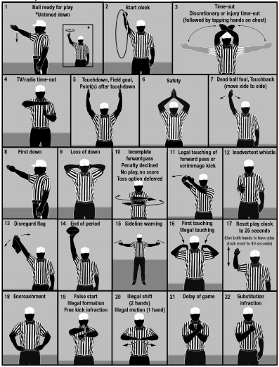
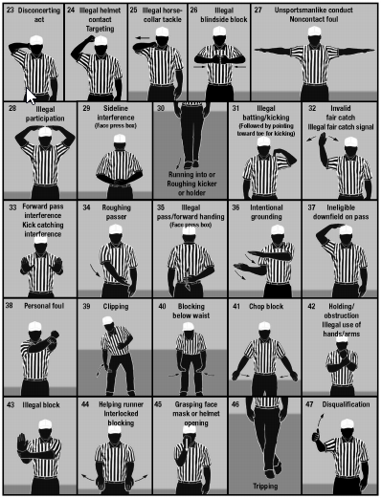

CKFOA Football Officiating Crew
at


,
 | Referee | 0
 | Umpire | 0
 | Head Linesman | 0
 | Line Judge | 0
 | Side Judge | 0
 | Field Judge | 0
 | Back Judge | 0

