Coach

 |  |  |  | KHSAA
 |  |  |  | Officials Supervisor, Keith Morgan
 |  |  | Please share your entire game or selected plays on HUDL. Our officiating "team" is called Central Kentucky Football Officials Association.

Home Team |  | Ballard - Coach Adrian Morton
Visiting Team |  | Dixie Heights - Coach Pat Burke
Date and Time |  | Friday, 11/4/2022

Referee |  | Joe Ammerman
Umpire |  | Brandon Shields
Head Linesman | 1st Half | Chris Turley
 | 2nd Half | Aaron Haney
Line Judge | 1st Half | Aaron Haney
 | 2nd Half | Chris Turley
Back Judge |  | Ron Givens

 |  |  |  | KHSAA
 |  |  |  | Officials Supervisor, Keith Morgan
 |  |  | Please share your entire game or selected plays on HUDL. Our officiating "team" is called Central Kentucky Football Officials Association.

Home Team |  | Ballard - Coach Adrian Morton
Visiting Team |  | Dixie Heights - Coach Pat Burke
Date and Time |  | Friday, 11/4/2022

Referee |  | Joe Ammerman
Umpire |  | Brandon Shields
Head Linesman | 1st Half | Chris Turley
 | 2nd Half | Aaron Haney
Line Judge | 1st Half | Aaron Haney
 | 2nd Half | Chris Turley
Back Judge |  | Ron Givens

PA
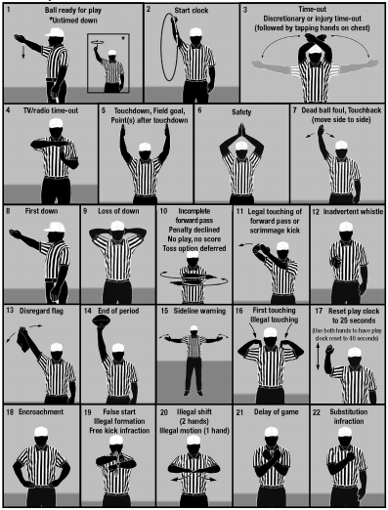
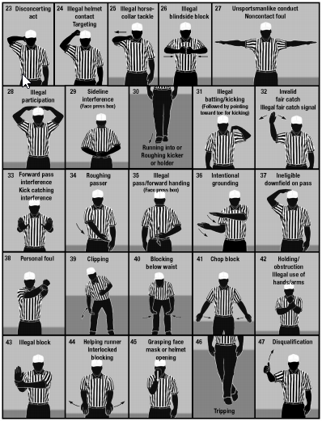

KHSAA Football Officiating Crew
Dixie Heights Colonels at Ballard Bruins

Friday, 11/4/2022 Ballard


 | Referee | Joe Ammerman
 | Umpire | Brandon Shields
 | Head Linesman | Aaron Haney
 | Line Judge | Chris Turley
 | Back Judge | Ron Givens

