Coaches
 |  |  |  | KHSAA
 |  |  |  | Officials Supervisor, Keith Morgan
 |  |  | Please share your entire game or selected plays on HUDL. Our officiating "team" is called Central Kentucky Football Officials Association.

Home Team |  | Ashland Blazer - Chad Tackett
Visiting Team |  | Belfy - Philip Haywood
Date |  | Friday, 11/11/2022

Referee |  | Joe Ammerman
Umpire |  | Brandon Shields
Line Judge | 1st Half | Chris Turley
Field Judge | 1st Half | Greg Schloemer
Head Linesman | 2nd Half | Aaron Haney
Side Judge | 2nd Half | Shane Norris
Back Judge |  | Ron Givens


 |  |  |  | KHSAA
 |  |  |  | Officials Supervisor, Keith Morgan
 |  |  | Please share your entire game or selected plays on HUDL. Our officiating "team" is called Central Kentucky Football Officials Association.

Home Team |  | Ashland Blazer - Chad Tackett
Visiting Team |  | Belfy - Philip Haywood
Date |  | Friday, 11/11/2022

Referee |  | Joe Ammerman
Umpire |  | Brandon Shields
Head Linesman | 1st Half | Aaron Haney
Side Judge | 1st Half | Shane Norris
Line Judge | 2nd Half | Chris Turley
Field Judge | 2nd Half | Greg Schloemer
Back Judge |  | Ron Givens

PA
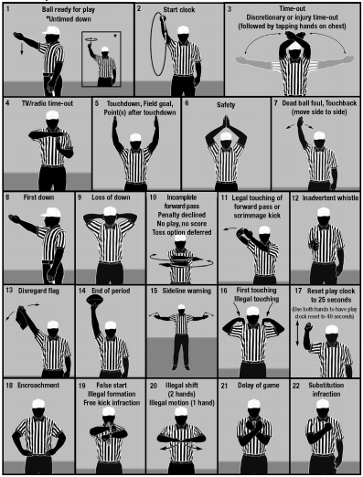
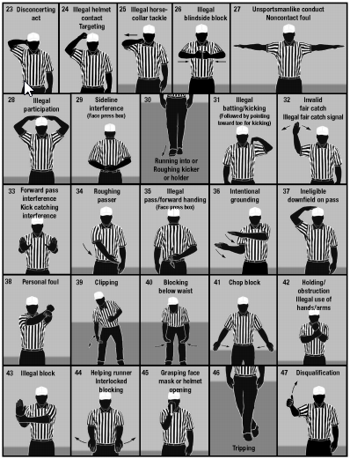

KHSAA Football Officiating Crew
Belfy Pirates at Ashland Blazer Tomcats


Friday, 11/11/2022 Putnam Stadium Ashland Blazer
 | Referee | Joe Ammerman
 | Umpire | Brandon Shields
 | Head Linesman | Aaron Haney
 | Line Judge | Chris Turley
 | Side Judge | Shane Norris
 | Field Judge | Greg Schloemer
 | Back Judge | Ron Givens

